Example-Sample Claim Form
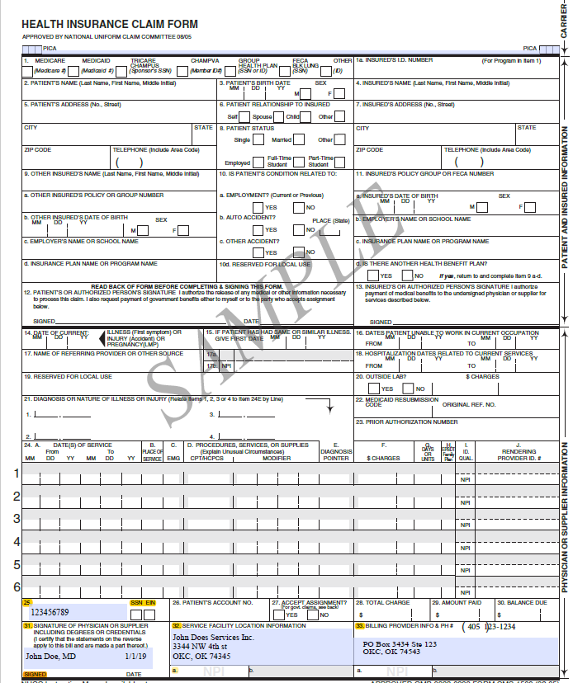

Ex

Complete Box's:
25, 31, 32, 33

